Question4
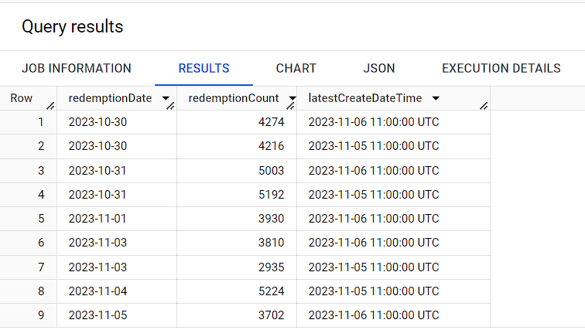
4. Is there another method you can use to pull back the most recent redemption count, by
redemption date, for the date range 2023-10-30 to 2023-11-05, for retailer "ABC Store"?
In words, describe how you would do this (no need to write a query, unless you’d like to).

SELECT
rb.redemptionDate,
rb.redemptionCount,
MAX(rb.createDateTime) AS latestCreateDateTime
FROM brahma.tblRetailers r
JOIN brahma.tblRedemptionsByDay rb
ON r.id = rb.retailerId
WHERE r.retailerName = 'ABC Store'
AND rb.redemptionDate BETWEEN '2023-10-30' AND '2023-11-05'
GROUP BY rb.redemptionDate, rb.redemptionCount
ORDER BY rb.redemptionDate;

Output :-

